Order Form
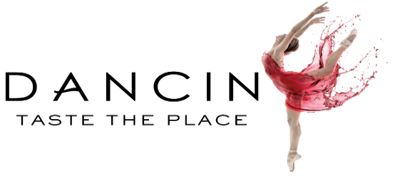
 | Company Contact Name | Enter Names Here |  |  |  | Company Name | Enter Company Name Here
 | Contact Phone Number | Enter Phone Number Here |  |  |  | Company Address | Enter Address Here
 | Contact Email | Enter Email Here |  |  |  | City, State, Zip | Enter Address Here

Instructions |  | Corporate Gift Guide Link |  |  |  |  | Package Options
• Please enter your gift recipeint information below, listing one recipient per row. |  |  |  |  |  |  | Signature Package - 1 Bottle ($49)
• When selecting delivery address, please note that these deliveries will require an adult signature |  |  |  |  |  |  | Discovery Package - 2 Bottles ($89)
• Please provide an email address to receive tracking information for each gift you send. Also, please be sure to include a phone number in the event the carrier needs to contact the recipient to schedule delivery. |  |  |  |  |  |  | Premier Package - 4 Bottles ($159)
• Please email this completed form to wine@dancin.com |  |  |  |  |  |  | Prestige Package - 12 Bottle Membership ($499)
• Our gifting concierge is available to assist with any questions by phone at 541-245-1144 or via email at wine@dancin.com |  |  |  |  |  |  | Custom - Please Fill out Description
 |  |  |  |  |  |  | *$10 Flat Rate Shipping: CT, GA, KS, LA, ME, MO, NJ, NY, PA, OH, OK, TN

Gift/Wine Selection | First Name | Last Name | Company Name | Address 1 | Address 2 | City | State | Zip Code | Email | Phone Number | Gift Message | Description if Custom | Package Price
Example | DANCIN | Vineyards | DANCIN Vineyards | 4477 South Stage Rd |  | Medford | Oregon | 97501 | wine@dancin.com | 541-245-1144 | Happy Holidays from the DANCIN Team

